Sheet1
ALIYA FURNITURES AND SOFA |  |  | QUOTATION

 |  |  | Date : 06/07/2026
From |  |  | TO:
Name : Salman Ansari |  |  | Name : JKTech
Address : Address: Ground Floor, S.Y No.02, Shop No01 & 02 Main Road, Silverton Apartments, Chikka Begur, Bengaluru - 560068 |  |  | Address : HSR Layout
Phone No : +91 73385 04716 |  |  | Phone No : +91 93900 21538
E-mail ID : aifurnituresofa@gmail.com |  |  | E-mail ID :

S.No . | Description Of Good & Service | HSN Code |  | Quantity | Rate | Amount
1 | Sitting Cushion change 40 Density Duroflex SF 20+20+20 = 60 |  |  | 60 | 380 | 22800
2 | 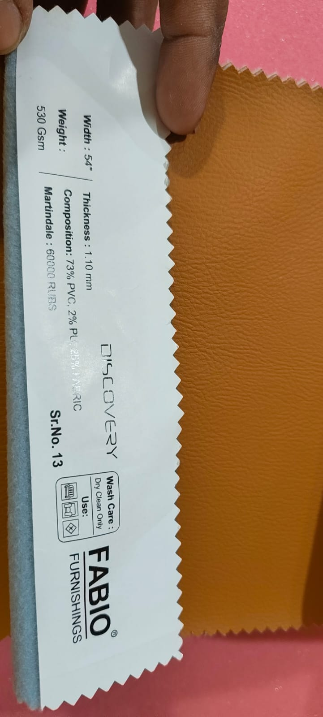 Back Rest Leather Change 30+30+30 =90 |  |  | 90 | 350 | 31500
3 |  |  |  |  |  | 0
4 |  |  |  |  |  | 0
5 |  |  |  |  |  | 0
6 |  |  |  |  |  | 0
7 |  |  |  |  |  | 0
8 |  |  |  |  |  | 0
9 |  |  |  |  |  | 0
Payment Terms: |  |  |  | TOTAL AMOUNT |  | 54300
1. 60% Advance Before Starting the work. |  |  |  | CGST @ 9% |  | 4887
2. Atleast a week of time to complete the work and remaining 40% after the completion of the work |  |  |  | SGST @ 9% |  | 4887
 |  |  |  | GRAND TOTAL |  | 64074

If You Hve any Question Concerning this Quotation Please Contact Salman Ansari at +91 73385 04716 Or aifurnitutresofa@gmail.com

Thank You For Your Business

